Development Plan Script
SAP SuccessFactors Test Log - 2025 Development Plan Template
Team Member = Henry Howard

Step ID | Process Step | Purpose/Condition | Test Step Name | Instruction | Key Data | Expected Result | Pass/Fail | Comments
1 | Log into Test Instance for SF | To ensure users can log into test instance | Test Instance Login | Use link: https://hcm4preview.sapsf.com/sf/home?bplte_company=FLtest | Company Code = FLtest | Login Successful | Pass
2 | Navigate to Goals > Development Goals | Navigate to Goals > Development Goals | Navigate to Goals > Development Goals | Navigate to Goals by either selecting the "Manage My Goals" icon on your dashboard or selecting "Goals" from the "Home" menu drop-down list. Then ensure you can select "Development Goals" from the two goal tabs. |  | Navigation Successful | Pass
3 | 2025 Development Plan Proposal Automatically Populates | Ensure correct template for goal form auto-populates | Development Plan Template Populates | Review that you do not need to click on the goal templates to view the 2025 template. 2025 Development Plan template should be automatically visible when you access the Goals module. |  | 2025 Development Plan Template populates automatically | Pass
4 | Review "Introduction Tab" | Review language for category definitions and hyperlinks. | Introduction | If not already open, click on "Click here to expand goal planning details" button. Review the Introduction section and notate if the lanuage used to describe the development plan is easy to understand and there are no grammatical errors. Check that the hyperlinks are opening in a new tab instead of the current window. |  | Verbiage clearly explains the development plan and hyperlinks open in a new window. | Pass
5 | Add Development Goal | Ability to create a new goal | Create Goal | Click on "Create Goal" in upper right-hand part of goal page. Click on "Create a goal from Scratch". |  | Able to select create a new goal. (Note: Create at least 3 development goals) | Pass
6 | Add Development Goal continued | Create a new goal using all of the fields. | Personal Goal | Input information for all required areas. |  | A new goal will be created on goal plan. | Pass
7 | Edit Development Goal | Ensure the user can edit and update an existing goal on their goal plan. | Edit Goal | Click on the specific goal tile card or the ellipses to "Edit Goal". Test through removing a required field (specifically a text box) and saving it as blank. Note: Leadership Competency and Activity Types fields have a defaulted field called "Select One..." which ensures TMs are being prompted to change the priority their goal should be aligned to. Test through entering in information into the required field and saving it afterward. | 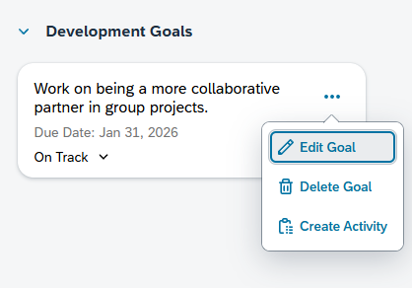 | If a goal is missing information in a required field, you should see an error message and a red highlighted field for the missing info. Once the information is filled out, you should be able to save the updated to the goal. | Pass
8 | Change Goal Status | Change Goal Status | Change Goal Status | From the goal tile page, see if you can change the status of the development goal from the carrot drop down menu on the goal tile card. | 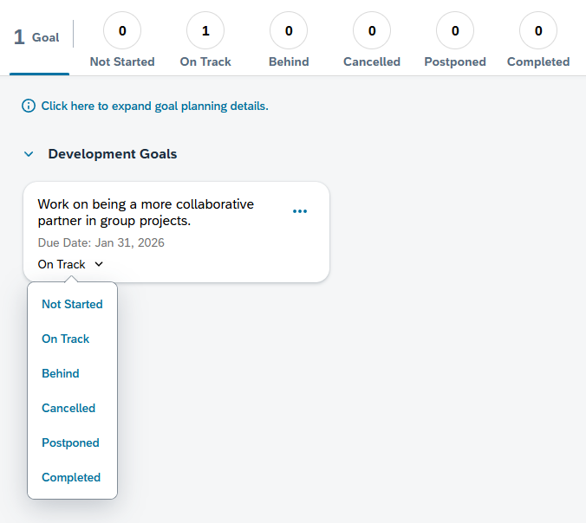 | The status should be reflected not only on the goal tile card but also the number tracking on top of the development goal page. | Pass
9 | Goal Deletion | Check that a user can delete their own goal. | Delete Existing Goal | Click on a specific goal tile card or the ellipses on a goal tile card. Select "Delete Goal" to delete the existing goal. | 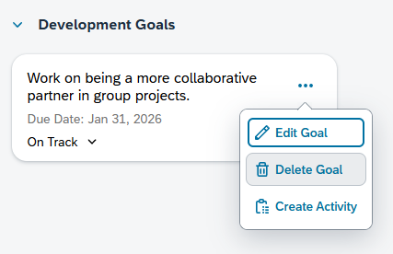 | You should be able to delete the goal and it will be removed from your goal plan. | Pass
10 | People Selector Tool | Check permissions for visibility to TM goal plans | Goal Plan Visibility | While in your goal plan, try to click on your manager's or another leader to view the goal plan. You should NOT be able to access a leader's goal plan. Search for or select TMs to view their goal plans within the search bar. You should not be able to see goal plans of your peers or other TMs as well. You are looking to see that you can only view your direct reports (if applicable) and functional leader's team that you support. |  | Visbility permissions are working as expected. TMs can only see their own goal plans. Managers can see their own goal plan and those who report up to them. 3rd Level Managers can see their roll up TMs. HRBPs will have to search to locate a TM but they can only see the TMs who they support as HR Champion.

